Instructions
LDAP
1) | Query for users | I use a program called Softera LDAP Browser. Point it at your local (faster) LDAP server's Users node and create a SQL query that will meet your needs. In the case of PAL, I used: SELECT $sAMAccountName From "CN=Users,DC=sap,DC=corp" WHERE $l="Palo Alto" Export these results to excel and you will find a sheet that looks like the Light Orange "LDAP Users" sheet. | From there, you need to separate the list of I numbers into groups of 200 so that you can create the queries in ITDirect. (you can only paste 200 items at a time into ITDirect) This is done by the next Light Orange sheet, "200 at a time". Also note that each ITDirect query is limited to 1000 entries. | It is likely that this will have to be re-done preiodically as empoyees are hired/terminated.
ITDirect
1) | Create Queries | Copy the user IDs (200 at a time) into a new query for "Parties of Service". | Do this 5 times (100 users), and save the query. | Repeat until all users have been pasted into a query.
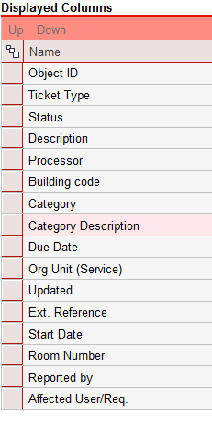
2) | Align Columns with spreadsheet | Before you run the queries, you need to have the correct colomns in the correct order so that the export will be in the correct format for the spreadsheet. | Use the field editor (wrench) on the right side of the results table to make changes to the columns. | 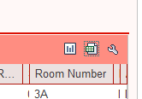
3) | Export Data to excel | Once you have run the queries, you will have to export *each* query to excel seperately. | Use the spreadsheet exporter (middle button) on the right side of the results table to open the results in excel.
Excel
1) | Copy data | You should now have 1 excel worksheet open for each query that you created in ITDirect. | Before putting this data into the final spreadsheet, you need to first delete the DATA in the Data Table. | One at a time, copy all the DATA (not headers) from each exported spreadsheet to the Data Table in this workbook.
2) | Update data references | Once you have copied every querie's exported data into the Data Table, navigate to the Pivot Tickets by Status sheet. | While on this sheet, select the Data tab in the ribbon and select Refresh All. | This will update the date so that you can work with the report results. This is a good time to save the workbook.
Working with the Data
1) | Sorts, Filters, Fields | The tickets are sorted by status. You can expand or collapse each status by clicking the -/+ next to the each status. | The listed tickets can be filtered using the category filter at the top of the sheet. When the "Select Multiple Items" is enabled, the checkmarks will become available on the left of the category names. (not presently recommended, since many tickets are being put into the incorrect categories) | The fields that feed this table all come from the data table that you filled in the previous steps. Though not selected by default, you can add (or remove) any of the fields from the Pivot Field list on the right of the sheet. | 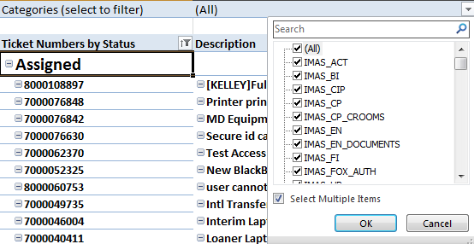
 |  | The fields that feed this table all come from the data table that you filled in the previous steps. Though not selected by default, you can add (or remove) any of the fields from the Pivot Field list on the right of the sheet. All fields that you add, should be added to the Rows section You can also filter the results by any field here. (e.g. where processor is blank) | 